NW Service Packs
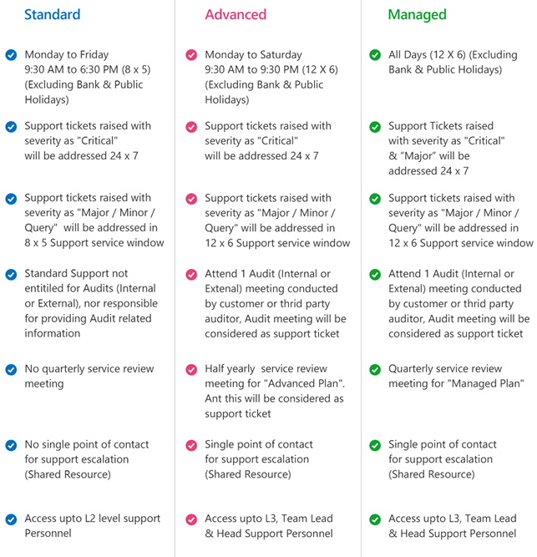
Service Area | Basic | Standard | Advanced | Customised
Service Window (hr x Days) | Mon - Fri (9AM - 6PM) | Mon - Sat (7AM - 11PM) | 24x7x365 | Advanced + Customised SOW
Support Model | Reactive | Proactive | Predictive | Advanced + Customised SOW
Service Levels (Response)
P1 | 2h | 1h | 1h | 30 mins
P2 | 4h | 2h | 2h | 1 hr
P3 | 8h | 4h | 4h | 2 hr
Service Coverage & Inclusions
OEM Support | OEM Call Logging + follow-up till resolution | OEM Call Logging + follow-up till resolution | OEM Call Logging + follow-up till resolution | Customised Support as desired
Galaxy L1 Support | Basic HW | Basic HW + Firmware | Basic HW + Firmware
Patch Deployment |  | As required | Tracking + Deployment
Monitoring |  | Proactive | Predictive
Break-Fix Support - L1/L2 |  | As required | As required
Proactive Health-Check |  |  | Quarterly
Configuration Change |  |  | upto 4 changes per year
Reporting |  | Monthly Performance | Monthly with Analytics
Tickets (Yearly) | 25 | 50 | 100 | Unlimited
Pricing (Annual ticket packs) Pricing in INR
Switch / Router | 12,500 | 22,500 | 42,000 | Contact BU Pre-Sales
SD-WAN | 12,500 | 22,500 | 42,000
Wireless Access Points | 7,500 | 13,500 | 25,000
NAC | 20,000 | 37,500 | 70,000
Network Firewalls | 17,500 | 30,000 | 55,000
HW Web Application Firewall | 25,000 | 45,000 | 80,000
Network Load Balancers | 20,000 | 35,000 | 65,000

